Charts
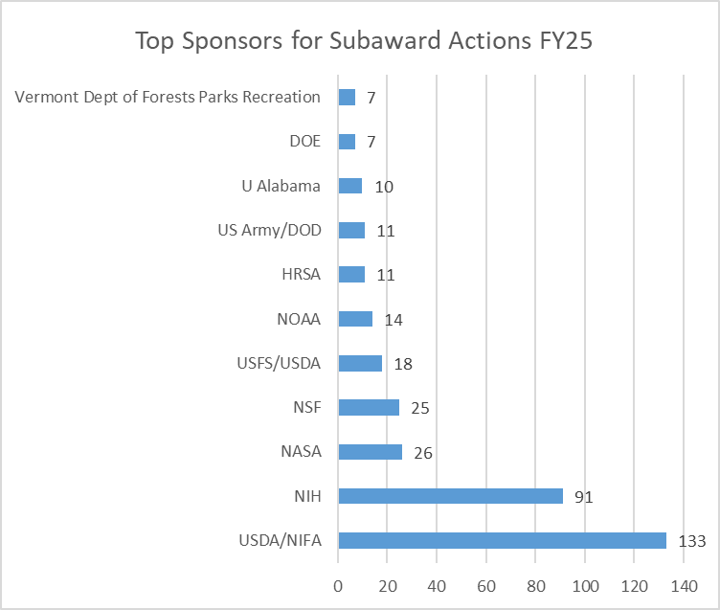
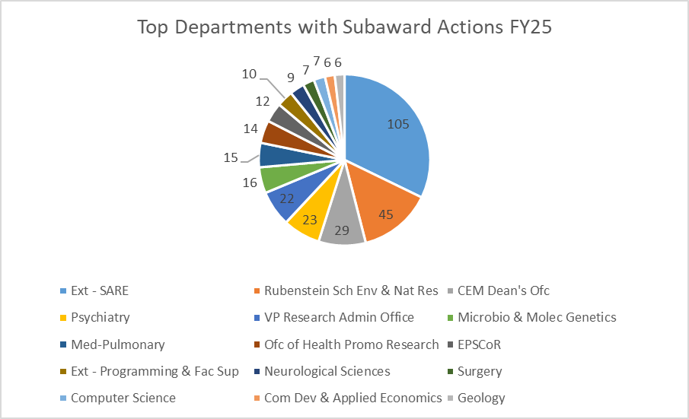
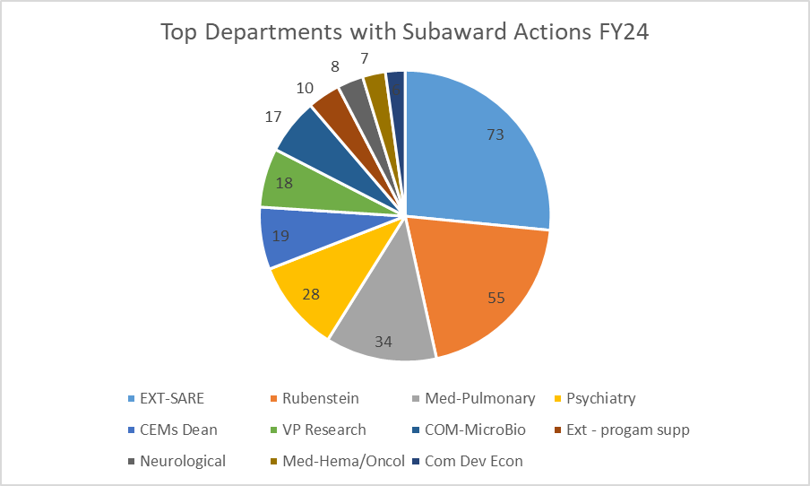
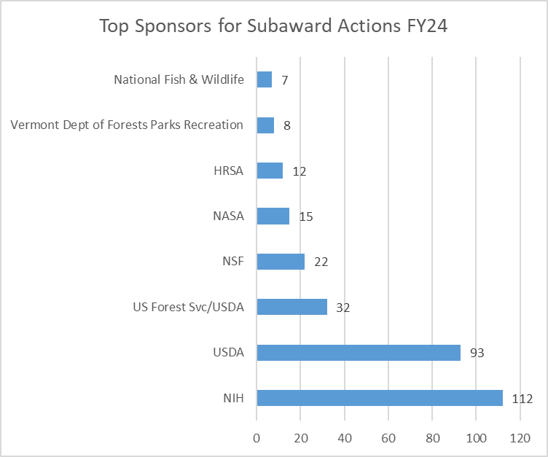
Subawards by Action
 | FY20 | FY21 | FY22 | FY23 | FY24 | FY25 | FY26
Initial | 167 | 191 | 188 | 174 | 143 | 192 | 129
Continuation | 75 | 68 | 77 | 95 | 57 | 99 | 63
Supplement | 15 | 21 | 23 | 32 | 28 | 25 | 26
NCE | 50 | 90 | 105 | 117 | 132 | 77 | 78
Subawards by College
 | FY20 | FY21 | FY22 | FY23 | FY24 | FY25 | FY26
CAS | 5 | 15 | 10 | 14 | 10 | 6 | 1
CEMS | 16 | 17 | 22 | 36 | 38 | 46 | 21
CESS | 0 | 0 | 3 | 1 | 4 | 6 | 5
COM | 87 | 119 | 163 | 149 | 128 | 113 | 92
EXT/CALS | 165 | 170 | 136 | 151 | 102 | 139 | 81
Gen Operating | 12 | 16 | 13 | 12 | 23 | 37 | 35
RSENR | 22 | 33 | 46 | 53 | 55 | 45 | 56
CNHS | 0 | 0 | 0 | 2 | 0 | 1 | 5

Top Departments with Subaward Actions FY26
 | #
Rubenstein Sch Env & Nat Res | 55
Ext - SARE | 52
VP Research Admin Office | 24
Med-Pulmonary | 16
Psychiatry | 15
EPSCor | 12
Animal & Vet Svc | 11
Microbiology & Molecular Generics | 10
Top Sponsors for Subaward Actions FY26
 | #
NIFA/USDA | 75
NIH | 27
US Forest Service/FS/USDA | 22
NSF | 21
NHLBI/NIH | 14
NIGMS/NIH | 12
NASA | 11
NIA/NIH | 11
NOAA | 11
NIMH/NIH | 8
University of Alabama - Tuscaloosa | 8

